Bikes
 |  |  |  |  | Oriental Sports
 |  |  |  |  | MG Road, Camp

Sr No. | Name/Title: | Discription | Qty | Category | Colors | Price | Image | Discount Price | Discount Percent:
 |  |  |  |  |  | MRP
1 | ECO HURDLE 6" |  |  |  |  | 180 | 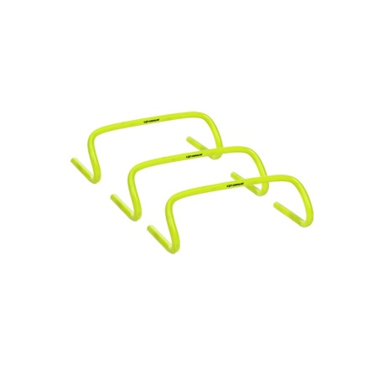

2 | ECO HURDLE 9" |  |  |  |  | 205

3 | ECO HURDLE 12" |  |  |  |  | 215

4 | Ladder 4 Mtr |  |  |  |  | 610 | 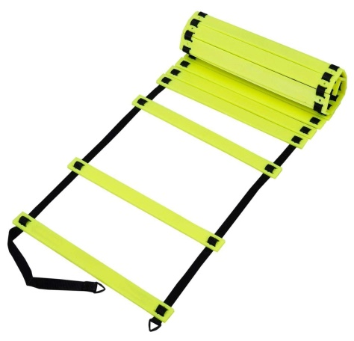

5 | Ladder 1 Mtr |  |  |  |  | 1145

6 | Micro Bibs |  |  |  |  | 225 | 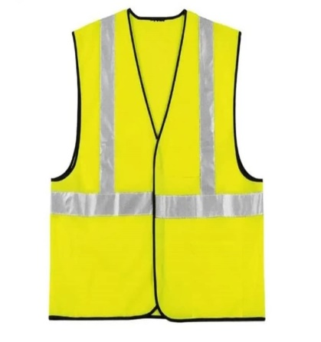

8 | Marking Cone 6" |  |  |  |  | 45 | 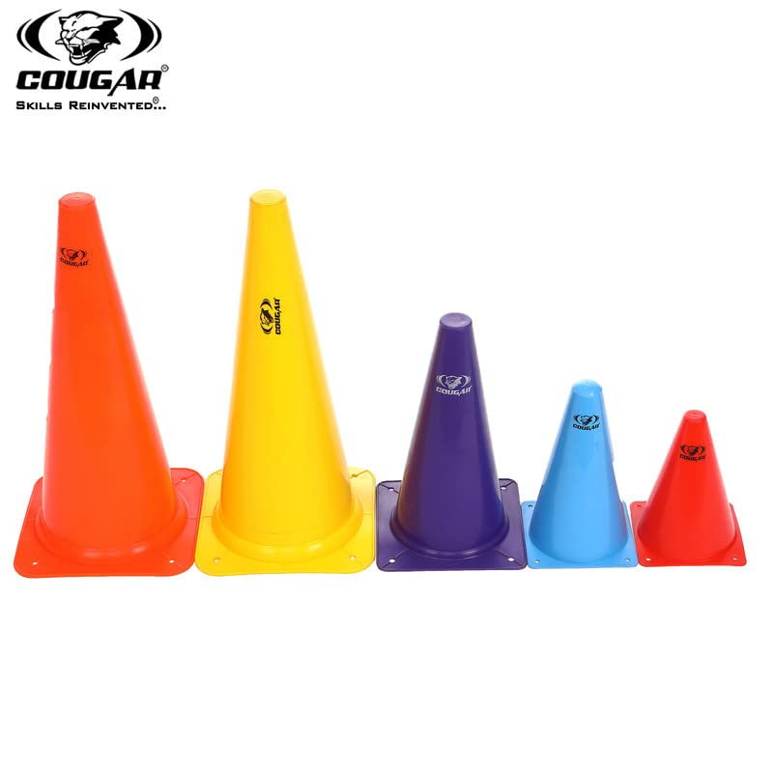

8 | Marking Cone 9" |  |  |  |  | 55

8 | Marking Cone 12" |  |  |  |  | 115

8 | SAUCER CONE |  |  |  |  | 22 | 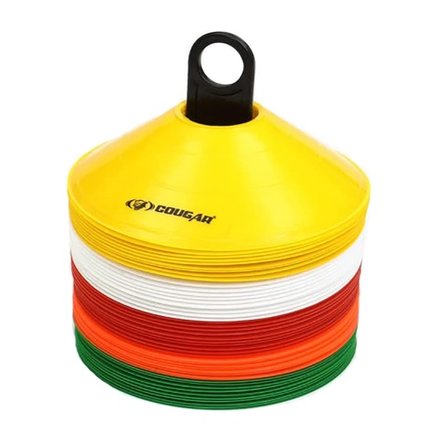

8 | ANKLE WEIGHT 05KG |  |  |  |  | 210 | 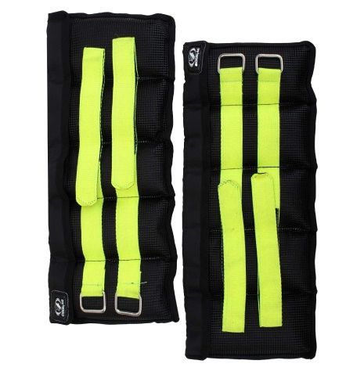

8 | ANKLE WEIGHT 1KG |  |  |  |  | 390

8 | ANKLE WEIGHT 1.5KG |  |  |  |  | 450

8 | ANKLE WEIGHT 2KG |  |  |  |  | 535

8 | WEIGHT BAG 5KG |  |  |  |  | 1395

8 | WEIGHT BAG 10KG |  |  |  |  | 1535

8 | WEIGHT BAG 15KG |  |  |  |  | 1890

8 | WEIGHT BAG 20KG |  |  |  |  | 2105 | 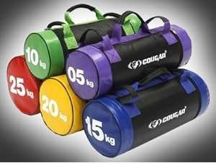

8 | WEIGHT BAG 25KG |  |  |  |  | 2340

8 | HEX DUMBBELLS 2.5KG |  |  |  |  | 388 | 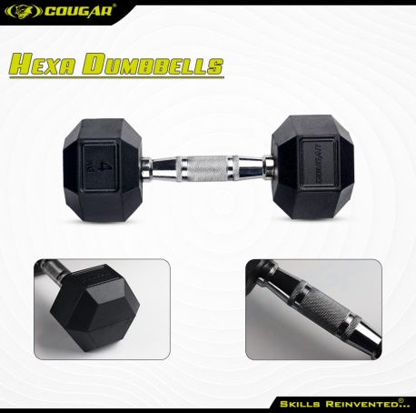

8 | HEX DUMBBELLS 5KG |  |  |  |  | 775

8 | HEX DUMBBELLS 7.5 KG |  |  |  |  | 1163

8 | HEX DUMBBELLS 10KG |  |  |  |  | 1550

8 | HEX DUMBBELLS 12.5KG |  |  |  |  | 1938

8 | HEX DUMBBELLS 15KG |  |  |  |  | 2325

8 | HEX DUMBBELLS 17.5KG |  |  |  |  | 2713

8 | HEX DUMBBELLS 20KG |  |  |  |  | 3100

8 | HEX DUMBBELLS 22.5KG |  |  |  |  | 3488

8 | HEX DUMBBELLS 25KG |  |  |  |  | 3875

8 | VINYL DUMBBELLS 0.5KG |  |  |  |  | 300 | 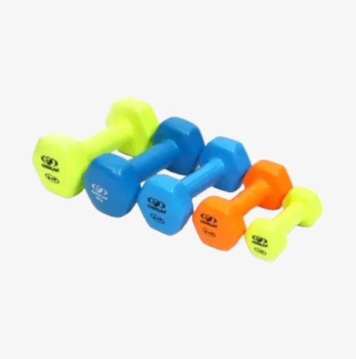

8 | VINYL DUMBBELLS 1KG |  |  |  |  | 590

8 | VINYL DUMBBELLS 2KG |  |  |  |  | 1180

8 | VINYL DUMBBELLS 3KG |  |  |  |  | 1770

8 | VINYL DUMBBELLS 4KG |  |  |  |  | 2360 | 

8 | VINYL DUMBBELLS 5KG |  |  |  |  | 2950 | 

8 | WEIGHT LIFTING PLATE 51MM-2.5KG |  |  |  |  | 590 | 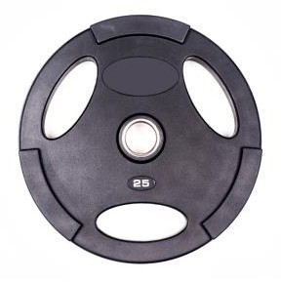

8 | WEIGHT LIFTING PLATE 51MM-5KG |  |  |  |  | 1180

8 | WEIGHT LIFTING PLATE 51MM-7.5KG |  |  |  |  | 1770

8 | WEIGHT LIFTING PLATE 51MM-10KG |  |  |  |  | 2360

8 | WEIGHT LIFTING PLATE 51MM-12.5KG |  |  |  |  | 2950

8 | WEIGHT LIFTING PLATE 51MM-15KG |  |  |  |  | 3540

8 | WEIGHT LIFTING PLATE 51MM-17.5KG |  |  |  |  | 4130

8 | WEIGHT LIFTING PLATE 51MM-20KG |  |  |  |  | 4720

8 | WEIGHT LIFTING PLATE 51MM-22.5 KG |  |  |  |  | 5310

8 | WEIGHT LIFTING PLATE 51MM-25KG |  |  |  |  | 5900

8 | WEIGHT LIFTING OLYMPIC ROD 3FT |  |  |  |  | 3120 | 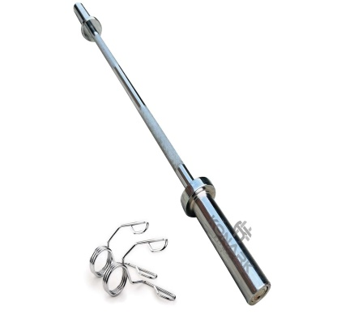

8 | WEIGHT LIFTING OLYMPIC ROAD 4FT |  |  |  |  | 4155

8 | WEIGHT LIFTING OLYMPIC ROAD 5FT |  |  |  |  | 5195

8 | WEIGHT LIFTING OLYMPIC ROAD 6FT |  |  |  |  | 6240

8 | WEIGHT LIFTING OLYMPIC ROAD 7FT |  |  |  |  | 7280

8 | WEIGHT LIFTING OLYMPIC EZ BAR 4FT |  |  |  |  | 5030 | 